Sheet1

 | 5801 Tennyson Pkwy, Suite 430 | * New Starts Order Form * |  | Date: | 2016-05-09
 | Plano, TX 75024
 | 972-529-5059 office
 | 972-473-7779 fax

Date : | 2016-05-09 | email order to:
Report Request For : | PLOT PLAN | matt@sprysurveyors.com |  | STANDARD (plot plan to include)
Builder : | MAIN VUE HOMES |  |  | Slab Sqft: | YES
Subdivision : | Creekside at Colleyville |  |  | Leadwalk Sqft: | YES
Lot : | 12 |  |  | Driveway & Parkway Sqft: | YES
Block : | 8 |  |  | City Walk Sqft: | YES
Phase : | One |  |  | Sod Sq Yd: | YES
Address : | 3600 Valmur Avenue |  |  | Fence LF from rear corners: | YES
City : | Colleyville, Texas |  |  | Lot Coverage: | YES
Zip Code : | 76034 |  |  | Building set back, and city requirments info: | YES
County : | TARRANT

Plan # or Name : | 10-50-01.03
Elevation : | TRADITIONAL C
Total AC Sq Ft : | 4630
Direction House Faces : | S | (N, S, E, W)
Garage Driveway Orientaion : | R
Options :
Return Report to :
Name: | SHIRLEY SEATON | Email :
Phone # : | 469-443-4566 | SHIRLEY.SEATON@MAINVUEHOMES.COM
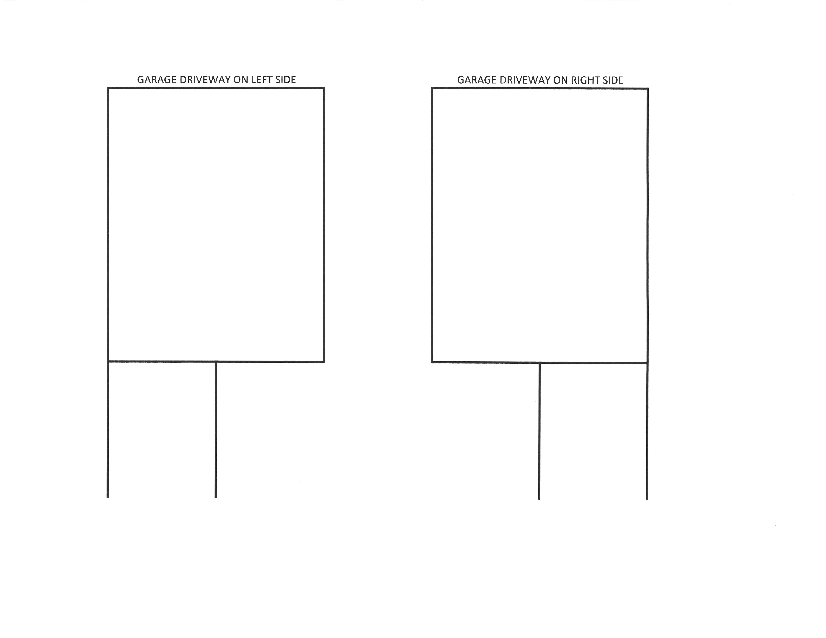

YES

 |  | email order to:
 |  | reports@energyinspectors.com

Date : | 2016-05-09
Report Request For : | ENERGY STAR |  |  | STANDARD
Builder : | MAIN VUE HOMES |  |  | House Wrap : | YES
Subdivision : | Creekside at Colleyville |  |  | Radiant Barrier : | YES
Lot : | 12 |  |  | 2x6 Exterior Walls (R19): | YES
Block : | 8 |  |  | Tankless Water Heaters : | YES
Phase : | One |  |  | 16 Seer HVAC System : | YES
Address : | 3600 Valmur Avenue |  |  | Gas Furnace 80% : | YES
City : | Colleyville, Texas |  |  | CFL lighting (80%) : | YES
Zip Code : | 76034 |  |  | R49 attic insulation : | YES
County : | TARRANT |  |  | Vinyl Windows : | YES
 |  |  |  | Programmable Thermostats : | YES
Plan # or Name : | 10-50-01.03 |  |  | Dishwasher energy efficient : | YES
Elevation : | TRADITIONAL C
Total AC Sq Ft : | 4630
Direction House Faces : | S | (N, S, E, W)
Garage Driveway Orientaion : | R
Options : | 0

Return Report to :
Name: | SHIRLEY SEATON
Email : | SHIRLEY.SEATON@MAINVUEHOMES.COM
Phone # : | 469-443-4566

 |  | email order to:
 |  | BADvorak@mlaw-eng.com
 |  | Brett Dvorak
Date : | 2016-05-09
Report Request For : | FOUNDATION |  | STANDARD
Builder : | MAIN VUE HOMES |  |  | 3 inch drops for shower pans on first floor : | YES
Subdivision : | Creekside at Colleyville |  |  | Barrier beam designs : | YES
Lot : | 12
Block : | 8
Phase : | One
Address : | 3600 Valmur Avenue
City : | Colleyville, Texas
Zip Code : | 76034
County : | TARRANT

Plan # or Name : | 10-50-01.03
Elevation : | TRADITIONAL C
Total AC Sq Ft : | 4630
Direction House Faces : | S
Garage Driveway Orientaion : | R
Options : | 0
Return Report to :
Name: | SHIRLEY SEATON | Email :
Phone # : | 469-443-4566 | SHIRLEY.SEATON@MAINVUEHOMES.COM

YES

CITY PERMIT PACKAGE PREP CHECKLIST
Subdivision - #: | Creekside at Colleyville
Phase: | One
Block: | 8
Lot: | 12
Address: | 3600 Valmur Avenue
Plan #: | 10-50-01.03
Elevation: | TRADITIONAL C
Plan Name: | 10-50-01.03
One or Two Story:
Options:
Garage "driveway" Orientation: | R
Model or Customer or Spec:
Exterior:
Interior:
 | DATE ORDERED | DATE RECEIVED
PLOT PLAN PRINTED & CHECKED:
PLANS PRINTED & CHECKED:
FRAMING & FLOOR SYSTEM PLANS PRINTED & CHECKED:
ARC APPROVAL PRINTED & CHECKED:
FOUNDATION PRINTED & CHECKED:
CHILDRESS LETTER
ENERGY STAR PRINTED & CHECKED:
HVAC CALCULATIONS FOR (CITY OF FRISCO):
CITY PERMIT APPLICATION PRINTED & CHECKED:

Permit Package Dropped Off to City:

